Dashboard
Fruits and Vegetables Prices Dashboard Report

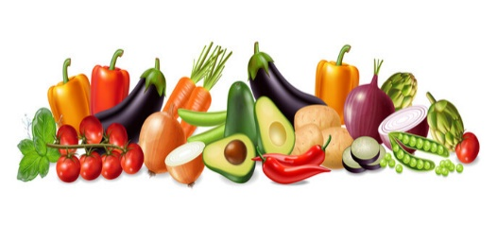

Total Fruits
Max Price
Average Spread
Years
Retail Stores
Average Retail Price

22
9
45603.3853
21
4
28244.6825

Price Per Products
 | Total
Avocados | 530.51
Broccoli Crowns | 564.1
Cauliflower | 712.59
Potatoes | 919.47
Strawberries | 1410.33
Average Spread Per Products
 | Total
Red Leaf Lettuce | 4585.7301
Romaine Lettuce | 4433.9808
Green Leaf Lettuce | 4288.5229
Cauliflower | 3131.6258
Iceberg Lettuce | 2922.6222

Top Sales in Atalanta Retail Store
 | Total
Broccoli Bunches | 1746.55
Broccoli Crowns | 1786.28
Cauliflower | 1934.17
Strawberries | 2767.27
Potatoes | 3658.61
Top Sales in Chicago Retail Store
 | Total
Potatoes | 3070.18
Strawberries | 2683.94
Cauliflower | 2070.29
Romaine Lettuce | 1748.52
Broccoli Crowns | 1599.15

Top Sales in Los Angeles Retail Store
 | Total
Celery | 1523.23
Broccoli Crowns | 1706.04
Cauliflower | 2303.08
Potatoes | 2926.31
Strawberries | 2982.98
Total Sales in New York Retail Store
 | Total
Strawberries | 3222.97
Potatoes | 3107.18
Cauliflower | 2265.48
Red Leaf Lettuce | 1975.42
Green Leaf Lettuce | 1874.3

